Baastiaanssen 1992 original fig
Points |  |  | Line
Label | X | Y | X | Y
A | 41 | 8 | 33 | 0.25
B | 41.8 | 8.9 | 43 | 10
C | 40.25 | 7.85 | *Bastiaanssen original is behind this graph;set chart background to transparent
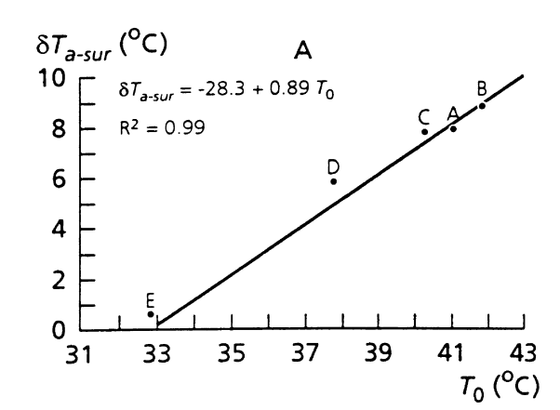
D | 37.8 | 5.8
E | 32.86 | 0.7

Recreation
Points |  |  | Line
Label | X | Y | X | Y
A | 41 | 8 | 33 | 0.25
B | 41.8 | 8.9 | 43 | 10
C | 40.25 | 7.85 | *Bastiaanssen original is behind this graph;set chart background to transparent
D | 37.8 | 5.8
E | 32.86 | 0.7
Dry | 43 | 10
Wet | 33 | 0.1

